Liquidity ratios
Please complete the following exercises:

EA1. LO 5.3 Using the given balance sheet summary information, calculate the following for the 2 years presented:
A. Working capital
B. Current ratio

Solution

A.

 | 2018-12-31 | 2019-12-31
Current Assets | 0 | 0
Current Liabilities | 0 | 0
Working Capital (CA – CL) | 0 | 0

B.

 | 2018-12-31 | 2019-12-31
Current Assets | 0 | 0
Current Liabilities | 0 | 0
Current Ratio (CA/CL) |  | 0

EA2. LO 5.3 Using the given account balances, calculate the following for the 2 years presented:
A. Working capital
B. Current ratio

Solution

A.
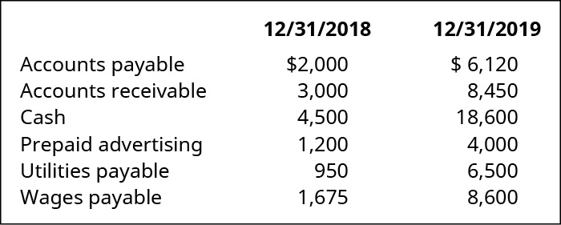
 | 12/31/2018 | 12/31/2019
Current Assets | 0 | 0
Current Liabilities | 0 | 0
Working Capital (CA – CL) | 0 | 0

B.

 | 2018-12-31 | 2019-12-31
Current Assets | 0 | 0
Current Liabilities | 0 | 0
Current Ratio (CA/CL) | 0 | 0

EA3. LO 5.3 Using the given balance sheet summary information, calculate the following for the two companies presented:
A. Working capital
B. Current ratio
Then:
C. Evaluate which company’s liquidity position appears stronger, and explain why.


Solution

A.

 | Company J | Company K
Current Assets | 0 | 0
Current Liabilities | 0 | 0
Working Capital (CA – CL) | 0 | 0

B.

 | Company J | Company K
Current Assets | 0 | 0
Current Liabilities | 0 | 0
Current Ratio (CA/CL) | 0 | 0

C.

